MKJQ MR.D 9 21 0373
 |  |  |  | GOODS RECEIVED NOTE

Sender |  |  |  | Received Date
Mr.D |  |  |  | 2021-09-30
Bandung |  |  |  | NO BA QC :
 |  |  |  | BA-2021-385
 |  |  |  | Ship via |  |  | Plat Number

PO No. | Code | Item | Quantity DO | QC |  |  | Remarks
 |  |  |  | Pass | Reject | Total
MKJQ/MR.D/9/21/0373 | VIS-VS051400317300 | FACE MASK (BLACK) | 100 | 100 |  | 100
 |  |  |  | 100 | 0 | 100
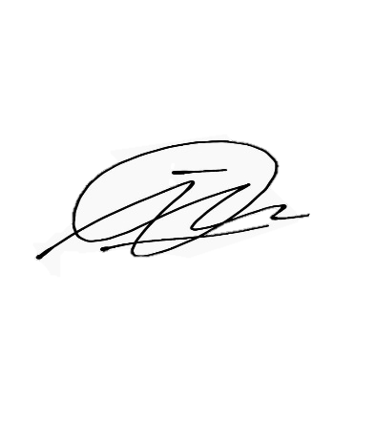

Notes
 |  |  | Received By |  |  | Checked By

 |  |  | Imam D |  |  | Imam D

 |  |  | Date |  |  | Date
 |  |  | 2021-09-30 |  |  | 2021-09-30

